Dashboard
QUANTIFY SAFETY IMPACTS OF SPEED CHANGES

 | Data entry |  |  |  |  | Results*

 |  | Enter initial mean speed |  | 50 | kph |  | Change in fatalities (%) | 80% | reduction
 |  | Enter final mean speed |  | 30 |  |  | Change in serious injuries (%) | 70% | reduction
 | This difference in speeds may exceed the boundary conditions for the model. Please see page 5 of the user manual for more information

 | Optional | Enter number of fatalities before change |  | 3 |  | Optional | Change in fatalities (no.) | 2.4 | lives saved
 |  | Enter number of serious injuries before change |  | 12 |  |  | Change in serious injuries (no.) | 8.4 | less injured

Safety impacts of speed changes
 | Fatal injury |  | Serious injury |  | 'After' Speed
50 | 0.0% | 50 | 0.0% | 21 | 0
49 | -7.7% | 49 | -5.8% | 21 | 1
48 | -14.8% | 48 | -11.3%
47 | -21.3% | 47 | -16.5%
46 | -27.4% | 46 | -21.3%
45 | -33.0% | 45 | -25.9%
44 | -38.1% | 44 | -30.2%
43 | -42.9% | 43 | -34.3%
42 | -47.3% | 42 | -38.1%
41 | -51.3% | 41 | -41.7%
40 | -55.1% | 40 | -45.1%
39 | -58.5% | 39 | -48.3%
38 | -61.7% | 38 | -51.3%
37 | -64.7% | 37 | -54.2%
36 | -67.4% | 36 | -56.8%
35 | -69.9% | 35 | -59.3%
34 | -72.2% | 34 | -61.7%
33 | -74.3% | 33 | -63.9%
32 | -76.3% | 32 | -66.0%
31 | -78.1% | 31 | -68.0%
30 | -79.8% | 30 | -69.9%
29 | -81.4% | 29 | -71.6%
28 | -82.8% | 28 | -73.3%
27 | -84.1% | 27 | -74.8%
26 | -85.3% | 26 | -76.3%
25 | -86.5% | 25 | -77.7%
24 | -87.5% | 24 | -79.0%
23 | -88.5% | 23 | -80.2%
22 | -89.4% | 22 | -81.4%
21 | -90.2% | 21 | -82.4%
20 | -90.9% | 20 | -83.5%

 | *NOTE |  | All results are estimated from research conducted mainly in high-income countries and application of this tool has been validated for homogenous free-flow traffic environments. Expert judgement is needed when applying this tool in other circumstances, and information should be used as guidance only. Please consult the user manual for further details.

 | STEPS |  | 1. Enter the initial mean speed of traffic (in kph or mph) before the speed change. The actual mean speed of traffic should be used, and not the posted) speed limit (unless they are the same). 2. Enter the mean speed (expected or actual speed) of traffic (in kph or mph) after the speed change (rounded to whole numbers) 3. The tool will automatically calculate the change in fatalities, in serious injuries as well as in minor injuries (in %). 4. If the absolute number of fatalities, serious injuries and/or minor injuries is known, these can also be entered. 5. The tool will automatically calculate the change in the absolute numbers of fatalities, serious injuries and/or minor injuries (as part numbers).

Quick Info
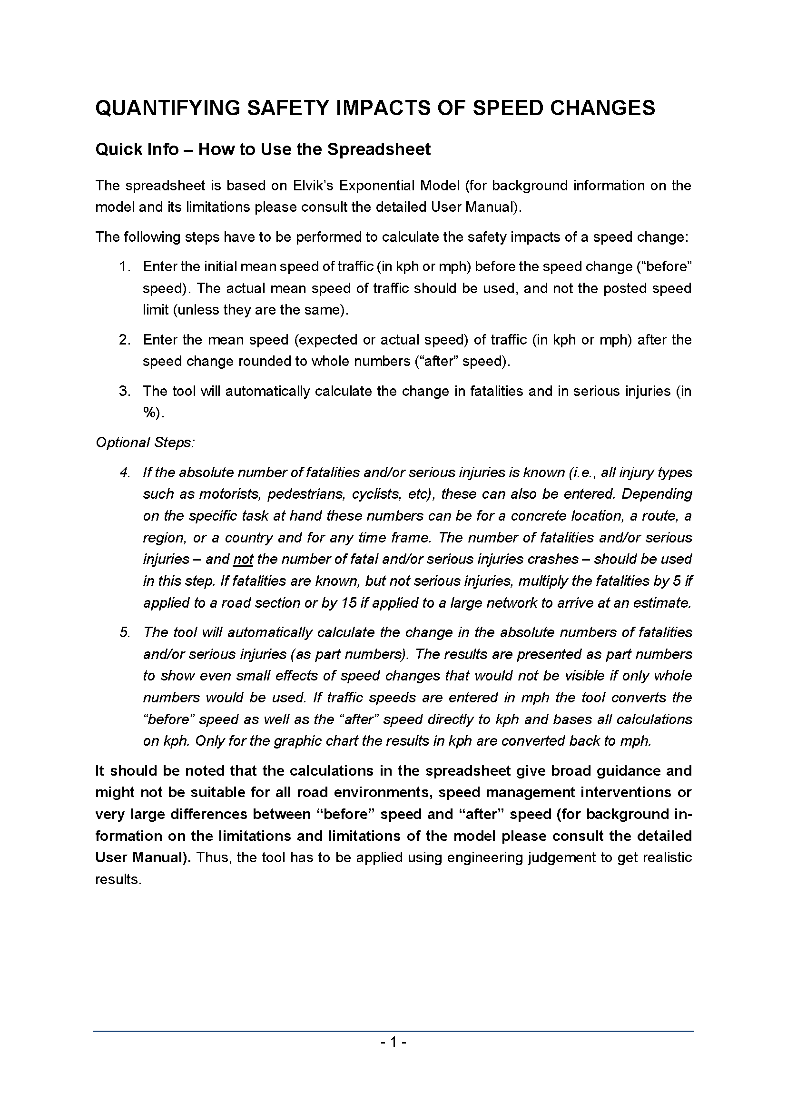

User Manual
